drainage_system
Calculation parameters |  |  |  | Select the channel properties |  |  | data source
hydraulic radius | r | 0.31 | m | Kind of Channel | Excavated_Channels |  | select
flow area | A | 0.75 | m2 | General properties | Earth_winding |  | select
$$v=\frac{r^{\frac{2}{3}}⋅I^{\frac{1}{2}}}{n}$$
wetted perimeter | U | 2.41 | m | Specific properties | no vegetation |  | select
slope | I | 0.001 | m/m
flow velocity | v | 0.49 | m/s | Geometry | Trapeze canal (defined dimensions) |  | select (parameters in shape_channel)
Roughness coefficient | n | 0.025
Leaching | s | 0.15 | m/d
Flow | Q | 0.4 | m3/s | Topographic properties
Canal width | w | 2.0 | m | Drainage canal length | 10 | km | scenario data
Water balance (inflow = +; outflow = -) |  |  |  | Altitude drainage inlet | 407 | m a.s.l. | scenario data
Total water on the field (flooded) |  | 0 | m3 | Altitude drainage outlet | 400 | m a.s.l. | scenario data
Total water inflow (rain & irrigation) |  | 1,500 | m3/day | Surrounding material | Loamy clay |  | scenario data (select)
Total infiltration (irrigation) |  | -1,500 | m3/day
Evaporation on the field |  | 0 | m3/day | Drained area properties
Total drainage requirement |  | 0 | m3/day | Area of land | 30 | ha | scenario data
Drainage capacity |  | 31,456 | m3/day | Area of uncontrolled inflow | 0 | ha | scenario data
 |  |  |  | Canal inflow (irrigation) | 1500 | m3/d | Output data of irrigation canal calculation
Total volume drained |  | 0 | m3/day | ET0 | 4 | mm/d | Output data of CWR calculation
Water not drained |  | 0 | m3 | Rainfall | 0 | mm/d | scenario data
Water table after drainage |  | 0 | mm | Water infiltration | 5 | mm/d | Output data of irrigation calculation
Water table rise (irrigated area) |  | 0 | mm | Flooded (initial before drainage) | 0 | mm | scenario data

Drainage canal discharge |  | -3,717 | m3/day
Seepage |  | 3,621 | m3/day
Evaporation in the canal |  | 96 | m3/day

https://www.lmnoeng.com/manning.php

shape_channel
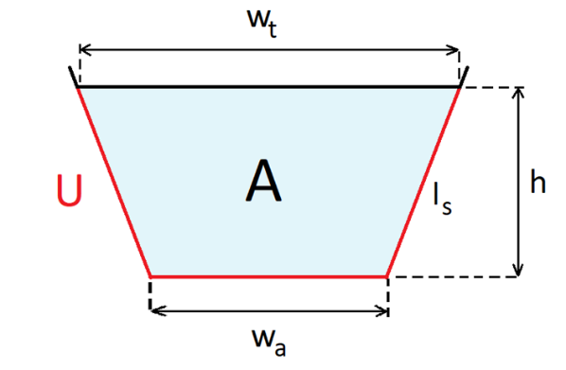
Channel dimensions (trapeze)
Top width | wt | 2.00 | m
Bottom width | wa | 1.00 | m
Depth | h | 0.50 | m
Side wall length | ls | 0.71 | m
hydraulic radius | r | 0.31 | m
flow area | A | 0.75 | m2
wetted perimeter | U | 2.41 | m

Channel dimensions (rectangular)
Top width | wt | 1.50 | m
Depth | h | 1.00 | m
hydraulic radius | r | 0.43 | m
flow area | A | 1.50 | m2
wetted perimeter | U | 3.50 | m
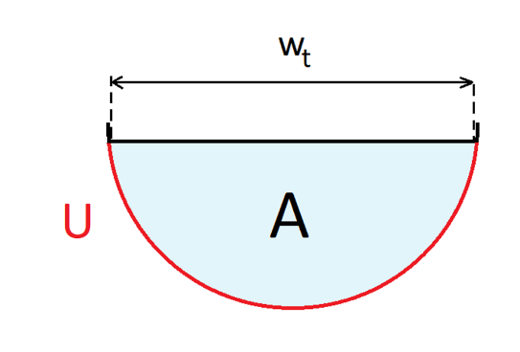

Channel dimensions (round)
Top width |  | 1.00 | m
depth (1/2 width) |  | 0.50 | m
hydraulic radius | r | 0.25 | m
flow area | A | 0.39 | m2
wetted perimeter | U | 1.57 | m

 | r | A | U | w
Trapeze canal (defined dimensions) | 0.31 | 0.75 | 2.41 | 2.00
Rectangular canal (defined dimensions) | 0.43 | 1.50 | 3.50 | 1.50
Round canal (defined dimensions) | 0.25 | 0.39 | 1.57 | 1.00

