Tabelle1
Scoring Model
Let us assume that you are the Prime Minister of Lummer-Land.
Let us further assume that you have to build up a new electricity power supply for your country.
Since you are not a dictator, you want to use a scoring model to ask your population about the preferred power plants.
For the overall assessment, your citizens should assess the following criteria:

Objectives | Weighting coefficient [%] |  |  |  |  |  |  |  | Class | C1 | C2 | C3
social and economical |  | C1 | low LCOE in $/kWh |  |  |  |  |  | 1 | > 10 | bad | > 500
social and economical |  | C2 | dispatch charakteristics |  |  |  |  |  | 2 | > 7 & < 10 | middle | >300 & <= 500
environmental |  | C3 | Carbon dioxid emissions in g/kWh |  |  |  |  |  | 3 | > 4 & <= 7 | good | >100 & <=300
 |  |  |  |  |  |  |  |  | 4 | <= 4 | very good | >0 & <= 100
The alternatives your citizens might choose are
A1 | brown coal (lignite)
A2 | Natural gas
A3 | Natural gas peaking
A4 | PV (rooftop; residential)
A5 | PV (cristalline; utility scale)
A6 | Wind

Solution
 |  |  |  | A1 |  |  | A2 |  |  | A3 |  |  | A4 |  |  | A5 |  |  | A6
 |  |  |  | data | class | "utility" | data | class | "utility" | data | class | "utility" | data | class | "utility" | data | class | "utility" | data | class | "utility"
C1 | low LCOE in $/MWh
C2 | dispatch charakteristics
C3 | Carbon dioxid emissions in g/kWh |  |  | 1075
 |  | Sum of weightings and "utilities"

Carbon dioxide emissions in g/kWh (Source: Fraunhofer ISE)
brown coal
anthracit
natural gas
PV
Waterpower
Windpower
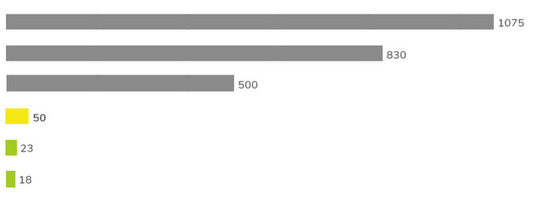

Levelized Costs of Electricity (LCOE) (Source: https://www.lazard.com/research-insights/levelized-cost-of-energy-levelized-cost-of-storage-and-levelized-cost-of-hydrogen-2021/)
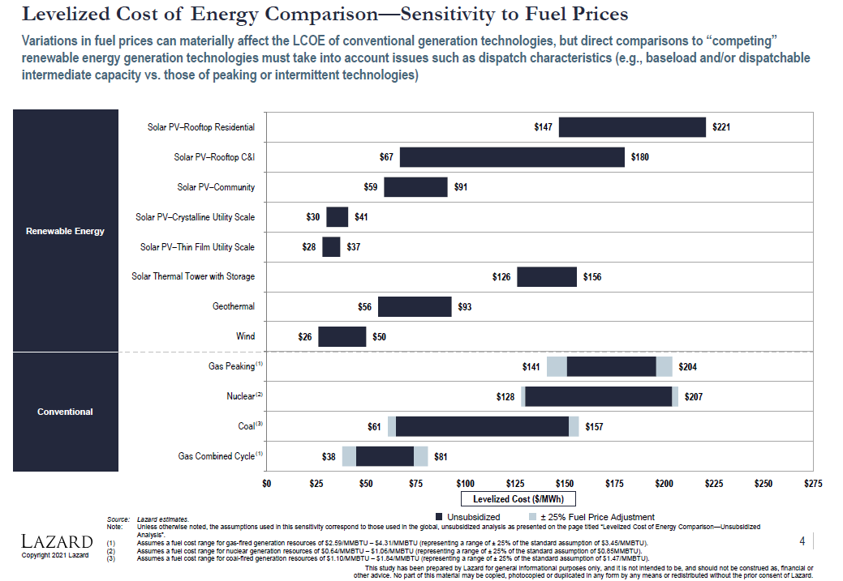

Now let us asume that after you've finished your evalutation, some of your citizens want to add an additional criterion: Harm to animals
What will be the effect on the scoring model?

